1. Title Page
Grocery Basket Analysis

Project Name: Instacart Grocery Basket Analysis
Date: March 18, 2024
Analyst Name: Simone van der Graaf

Contents: | Sheet nr:
Population Flow | 2
Consistency checks | 3
Wrangling steps | 4
Column derivations | 5
Visualizations | 6
Recommendations | 7

Data Citation
Title |  | Source | Author | Date | Link/Source | Extra
The Instacart Online Grocery Shopping Dataset 2017 |  | Kaggle | Collaborator: psparks (Owner) | Updated 6 years ago | https://www.kaggle.com/datasets/psparks/instacart-market-basket-analysis | Data Dictionary
CareerFoundry 'Customers' Dataset |  | CareerFoundry | CareerFoundry | April 8, 2020 | https://s3.amazonaws.com/coach-courses-us/public/courses/data-immersion/A4/A4_Data_Assets/customers.zip | Not real data, created for learning purposes only
List of regions of the United States |  | Wikipedia | Cpacker | September 10, 2008 | https://simple.wikipedia.org/wiki/List_of_regions_of_the_United_States

2. Population Flow
Population flow

Exclusion flag
Condition: max_order < 5
Obervations to be removed: 1440295
Final total count of order_products_all: 30964564

Orders_products_combined
Orders_products_merged
Orders_products_all

Total: 32404859
Total: 32434489
Total: 32404859

1.) The grey boxes in the first row of the population flow represent the original data sets as they were when I downloaded them. In the Total fields I added the count of the rows when importing the data set into Jupyter.
2.) The second row of boxes (coloured) represents the data sets after I manipulated them, e.g., removed missing values and duplicates. In the Total fields I added the count of the rows after conducting these operations. This offers a visual oveview of how the data flows throughout the data consistency checks.
3.) The third row, where also the arrows are coloured, represents the merges you performed between the datasets. In the Total fields I added the count of the rows in the merged datasets, so that I ended up with the final dataset (in the red box). Keep in mind the final dataset should be without exclusions (based on the exclusion flag).

3. Consistency checks
Consistency checks

Dataset | Missing values | Missing values treatment | Duplicates
orders | 206209 rows in 'days_since_prior_order' | I kept the missing values as they represent the first order from every user | No
products | 16 rows in 'product_name' | Created subset df_prods_clean with no missing values | 5 duplicate rows deleted in the newly created subset 'df_prods_clean_no_dups'
orders_products_prior | N/A | N/A | N/A
customers | 11259 rows in 'first_name' | I did not delete the missing values as the rest of the info does not have missing values. Further along the achievement I created a subset of the dataframe that has no PII and therefore no first_name and surname | No duplicates

4. Wrangling steps
Wrangling steps

Columns dropped | Columns renamed | Columns' type changed | Comment/Reason
eval_set in orders |  |  | I don't need the column for analysis
 | Order Dow became orders_day_of_week in orders |  | The new name is more clear
 |  | Order id in orders | Changed to string so It's not included in the descriptive analysis
first_name in customers (after renaming) | First Name became first_name in customers
surname in customer (after renaming) | Surnam became surname in customers
 | Gender became gender in customers
 | STATE became state in customers
 | Age became age in customers
 | n_dependants became children in customers
 | fam_status became family_status in customers
 | income became annual_income in customers
 |  | user_id in customers | Changed to string so It's not included in the descriptive analysis
 |  | date_joined in customers | Changed to datetime instead of a string
 |  | user_id in orders_products_grouped_aggregated | Changed to string so It's not included in the descriptive analysis
 |  | several integer columns changed to smaller integers in df_normal_activity_customers | To avoid memory usage errors
 |  | several float columns changed to smaller floats in df_normal_activity_customers | To avoid memory usage errors

5. Column derivations
Column derivations and aggregations

Dataset | New column | Column/s it was derived from | Conditions | Count
4.7 orders_products_merged | price_range_loc | prices | High-range product: prices > 15 Mid-range product: prices > 5 & prices <=15 Low-range product: prices <=5 | Mid-range product 21860860 Low-range product 10126321 High-range product 417678
4.7 orders_products_merged | busiest days | orders_day_of_week | Busiest day: orders_day_of_week = 0 Least busy: orders_day_of_week = 4 Regularly busy: orders_day_of_week = all other values | Regularly busy 12916111 Busiest days 11864412 Slowest days 7624336
4.7 orders_products_merged | busiest_hours | order_hour_of_day | Most orders: value == 10, 11, 14, 15, 13, 12, 16 or 9 Fewest orders: value == 23, 6, 0, 1, 5, 2, 4 or 3 Average orders: order_hour_of_day = all other values | Most orders 21118071 Average orders 9997651 Fewest orders 1289137
4.8 orders_products_grouped_aggregated | max_order | user_id and order_number | Aggregating with transform (np.max) | Max order for each customer
4.8 orders_products_grouped_aggregated | loyalty_flag | max_order | Loyal customer: max_order > 40 Regular customer: max_order <= 40 & max_order >10 New customer: max_order <=10 | Regular customer 15876776 Loyal customer 10284093 New customer 6243990
4.8 orders_products_grouped_aggregated | average_price_product | user_id and prices | Aggregating with transform (np.mean) | Average price per product
4.8 orders_products_grouped_aggregated | spending_flag | average_price_product | High spender: average_spend >= 10 Low spender: average_spend < 10 | Low spender 31770614 High spender 634245
4.8 orders_products_grouped_aggregated | median_days_between_orders | user_id and days_since_prior_order | Aggregating with transform (np.median) | Median days between one and the following order
4.8 orders_products_grouped_aggregated | order_frequency_flag | median_days_between_orders | Non-frequent customer: customer_frequency > 20 Regular customer: customer_frequency <= 20 & customer_frequency >10 Frequent customer: customer_frequency <= 10 | Frequent customer 21559853 Regular customer 5195271 Non-frequent customer 3636437
4.10 normal_activity_customers | region.loc | state | Northeast = if state is from list of states 'Northeast' Midwest = if state is from list of states 'Midwest' South = if state is from list of states 'South' West = if state is from list of states 'West' | South 10791885 West 8292913 Midwest 7597325 Northeast 5722736
4.10 normal_activity_customers | exclusion_flag | max_order | normal_activity: max_order <= 5 low_activity: max_order >= 5 | normal_activity 30964564 low_activity 1440295
4.10 customer_profiling_merged | age_group | age | 18-29 years old: >= 18 & <= 29 30-59 years old: >= 30 & <= 59 60-81 years old: >= 60 | 30-59 years old 14572457 60-81 years old 10574504 18-29 years old 5817603
4.10 customer_profiling_merged | income_group | annual_income | lower annual income: >= 25903 & <= 74999 mid annual income: >= 75000 & <= 119999 higher annual income: >= 120000 | mid annual income 11878101 lower annual income 9906680 higher annual income 9179783
4.10 customer_profiling_merged | children_group | children | with children: >= 1 without children: = 0 | with children 23224883 without children 7739681
4.10 customer_profiling_merged | profile_age | age_group, family_status, children_group | Single young adult with children: '18-29 years old', 'single', 'divorced/widowed', 'living with parents and siblings', 'with children' Single young adult without children: '18-29 years old', 'single', 'divorced/widowed', 'living with parents and siblings', 'without children' single adult with children: '30-59 years old', 'single', 'divorced/widowed', 'living with parents and siblings', 'with children' single adult without children: '30-59 years old', 'single', 'divorced/widowed', 'living with parents and siblings', 'without children' single older adult with children: '60-81 years old', 'single', 'divorced/widowed', 'living with parents and siblings', 'with children' single older adult without children: '60-81 years old', 'single', 'divorced/widowed', 'living with parents and siblings', 'without children' married young adult with children: '18-29 years old', 'married', 'with children' married young adult without children: '18-29 years old', 'married', 'without children' married adult with children: '30-59 years old', 'married', 'with children' married adult without children: '30-59 years old', 'married', 'without children' married older adult with children: '60-81 years old', 'married', 'with children' married older adult without children: '60-81 years old', 'married', 'without children' | married adult with children 10925665 married older adult with children 7929233 single adult without children 3646792 married young adult with children 2888813 single older adult without children 2645271 single young adult with children 1481172 single young adult without children 1447618
4.10 customer_profiling_merged | profile_income | family_status, children_group,income_group | Single with children with higher annual income: 'single', 'divorced/widowed', 'living with parents and siblings', 'with children', 'with higher annual income' Single with children with mid annual income: 'single', 'divorced/widowed', 'living with parents and siblings', 'without children', 'with mid annual income' single with children with lower annual income: 'single', 'divorced/widowed', 'living with parents and siblings', 'with children', 'with lowerer annual income' Single without children with higher annual income: 'single', 'divorced/widowed', 'living with parents and siblings', 'with children', 'with higher annual income' Single without children with mid annual income: 'single', 'divorced/widowed', 'living with parents and siblings', 'without children', 'with mid annual income' single without children with lower annual income: 'single', 'divorced/widowed', 'living with parents and siblings', 'with children', 'with lower annual income' married with children with higher annual income: 'married', 'with children', 'with higher annual income' married with children with mid annual income: 'married', 'without children', 'with mid annual income' married with children with lower annual income: 'married', 'with children', 'with lower annual income' married without children with higher annual income: 'married', 'without children', 'with higher annual income' married without children with mid annual income: 'married', 'with children', 'with mid annual income' married without children with lower annual income: 'married', 'without children', 'with lower annual income' | married with children with mid annual income 8366651 married with children with higher annual income 6840076 married with children with lower annual income 6536984 single without children with mid annual income 2943567 single without children with lower annual income 2474608 single without children with higher annual income 2321506 single with children with lower annual income 895088 single with children with mid annual income 567883 single with children with higher annual income 18201

6. Visualizations
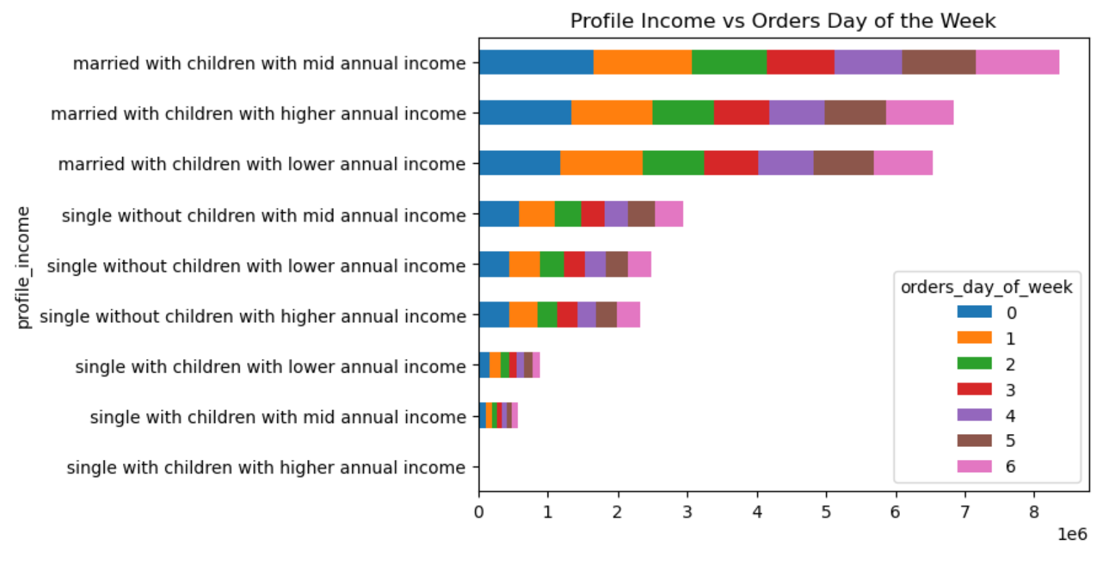
Visualisations

Key Question 1: What are the busiest days of the week and hours of the day in terms of orders?
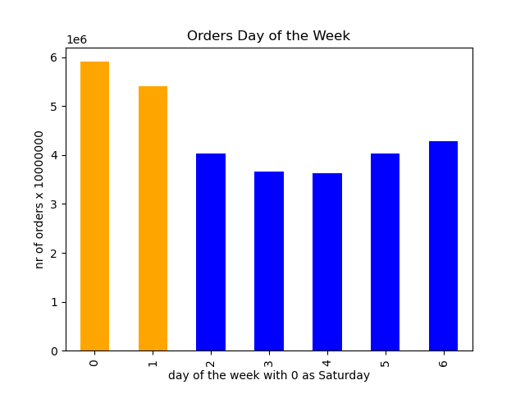


The weekend days are clearly the most popular order days., with Saturday at the top. Tuesday and Wednesday are the least popular.
In terms of hours, I can see that customers prefer placing orders during the day, with between 9am and 4pm being peak times. They barely order at night.
Devided in groups, these are the results:
Most orders (between 9am and 4pm) 21118071
Average orders (8am and 5pm) 9997651
Fewest orders (between 11pm and 6am) 1289137

Key Question 2: Are there particular times of the day when people spend the most money?
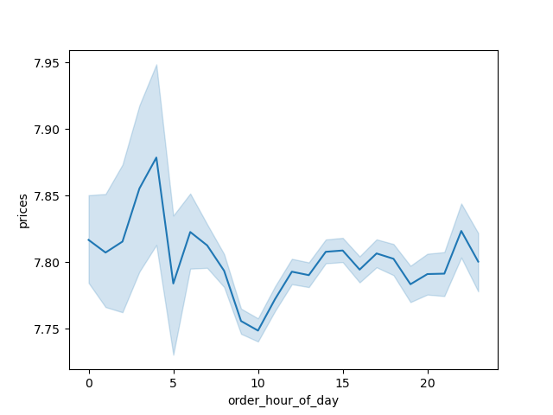
Prices by Hour of the Day

As opposite to the histogram above, the hours where there are less orders placed. the average prices of the orders are higher. Overall the average prices are really close to each other. For those reasons there are no particular times interesting regarding the prices.

Key Question 3: Instacart has a lot of products with different price tags. Can simpler price range groupings be used to help marketing and sales direct their efforts?



There is a clear left-skew distribution of prices. From prices of $15,- and higher we can see orders are lower than 50.000 per price tag. A big difference from an average of above 700.000 orders for prices until $15,-.
There are also a few drops in amount of orders visible around the amounts of $7,50, $10,- and 12,50. This is possibly due to a "psychological price" where customers are willing to spend a bit less but not those amounts.
Divided in groups, these are the results:
Mid-range product 5-15 21860860 orders
Low-range product 0-5 10126321 orders
High-range product 15 and higher 417678 orders

Key Question 4: Are there certain types of products that are more popular than others? The marketing and sales teams want to know which departments have the highest frequency of product orders.

The top 6 of most popular departments is marked on the left. These are:
- Produce
- Dairy Eggs
- Snacks
- Beverages
- Frozen
- Pantry

Key Question 5: What’s the distribution among users in regards to their brand loyalty and are there differences in ordering habits based on a customer’s loyalty status?

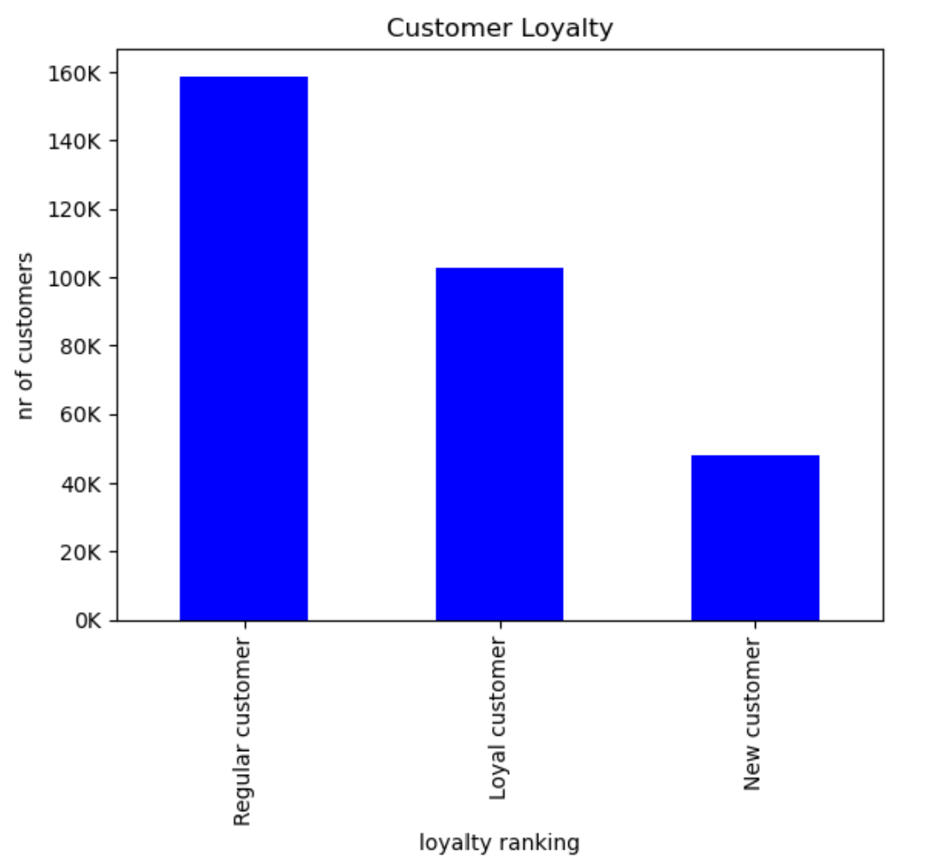
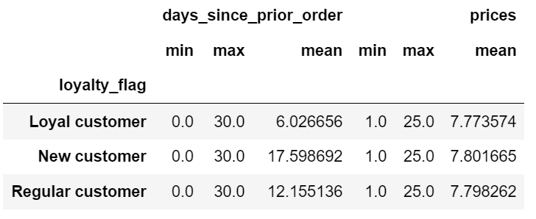
The biggest group of customers fits in the profile of regular customer.
These are almost 160000 customers, 60% more than the group of loyal customers.
New customers form a small group with being less than a third of the size of the group of regular customers.
The differences in loyalty are clear. A loyal customer orders again an average of 6 days after the prior order. For regular customers this is double the nr of days and for new customers almost triple.
There is no big difference in price spent. The loyal customer spents actually less on average, around 2.5 cents less than the other groups.
In terms of ordering days there are also not big differences to spot. Saturday is the most popular ordering day for new customers and for the other groups this is the whole weekend. Friday is the most popular day to order during the week for the regular customer and the new customer.
Regular customer: between 10 and 40 orders
Loyal customer: more than 40 orders
New customer: less than 10 orders

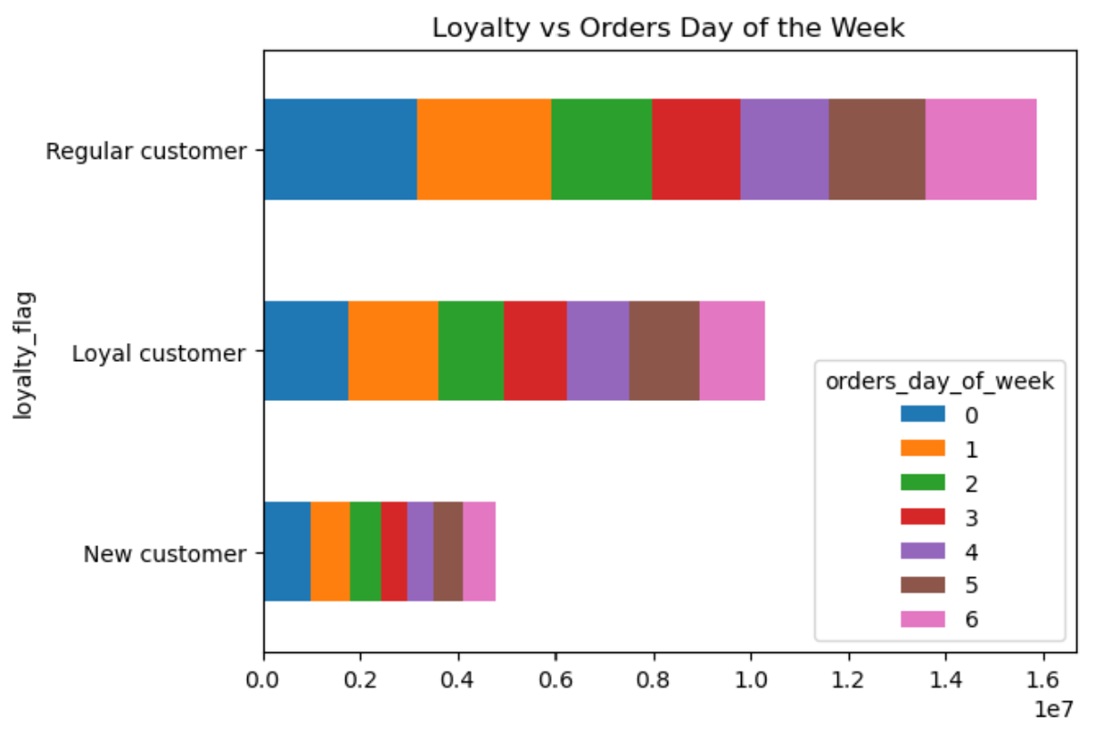

Key Question 6: Are there differences in ordering habits based on a customer’s region?

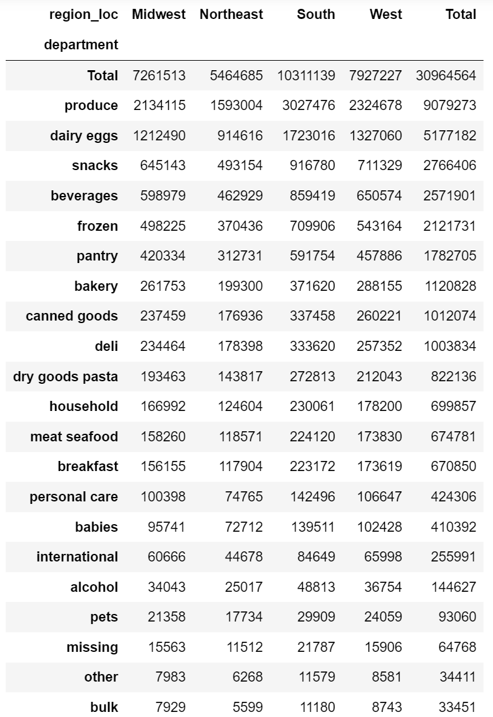
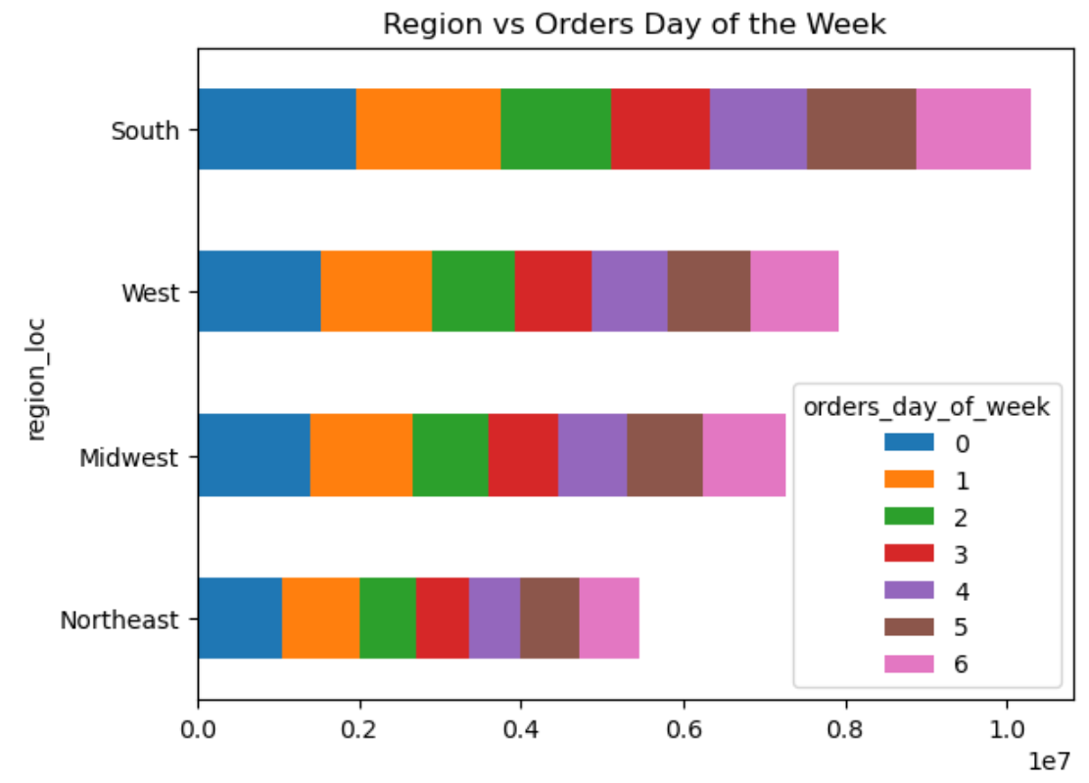
When we categorize the departments by region, we can see that for all regions the same top 6 is most pupular: Produce, Dairy Eggs, Snacks, Beverages, Frozen and Pantry.
The South counts for around 33% of the orders for each department. This is clearly the region with most orders. But also with the most customers as you can see in the bar chart below.
Again saturday is the most popular ordering day. The rest of the numbers are similar.
When looking at the average price spent, there is almost no difference between the regions.
Midwest has clearly the most days between orders, followed by the South. Still these numbers are very close to each other.

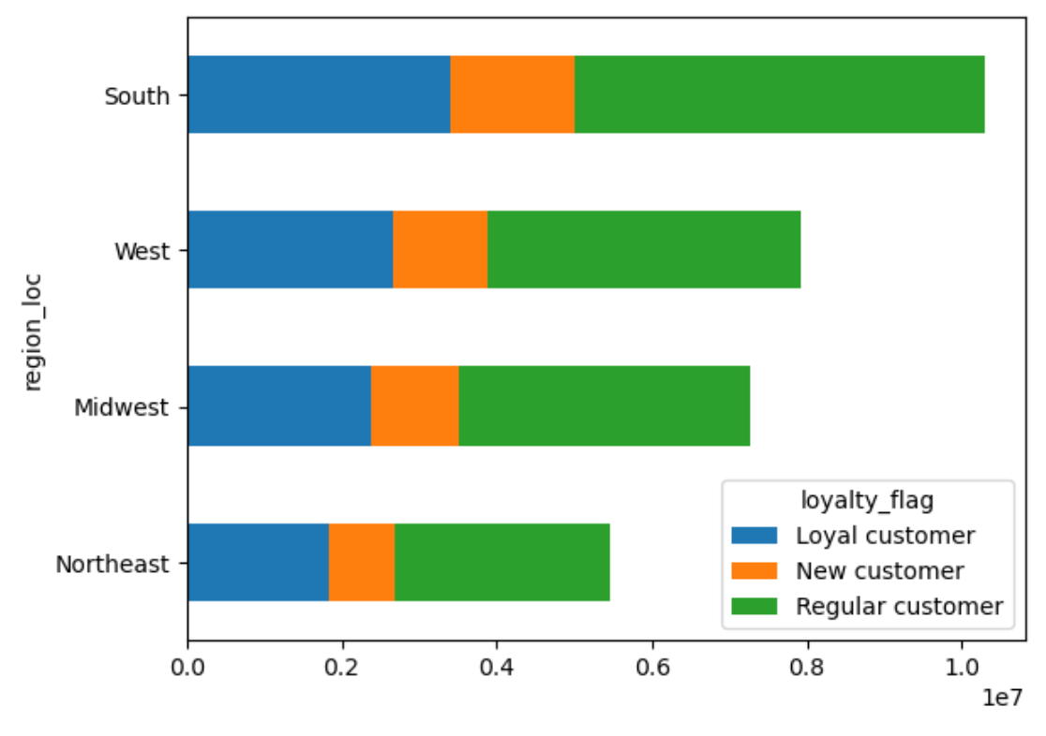

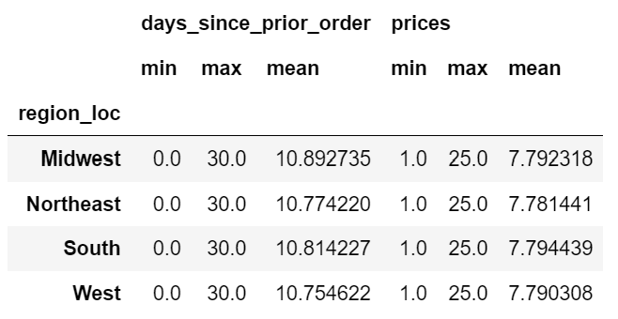

Key Question 7: What different classifications does the demographic information suggest? Age? Income? Certain types of goods? Family status?


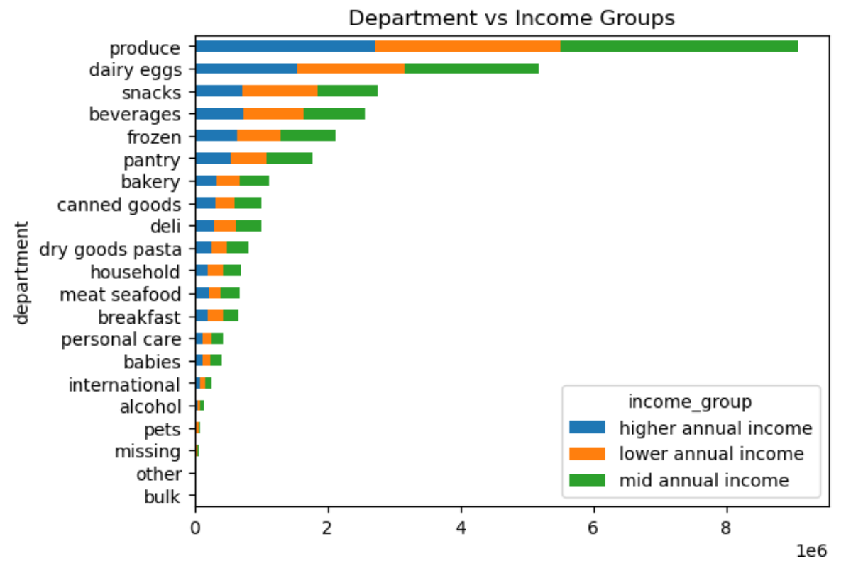
The graph of age and annual income shows that only a few customers between 18 and 40 earn more than $200000 and only a few customers between 40 and 60 earn more than $300000. There is a clear positioning of people earning more the older they get.
In general customers with a mid annual income order more products of most of the different departments. Customers with a lower annual income buy the most snacks.
Looking at the family status compared to the department there are more clear differences. It's the married customers that buy most in each department. Both divorced/widowed customers as customers living with parents and siblings form a small part of all the customers and they barely seem to buy anything from the following departments: personal care, babies, international, alcohol and pets.

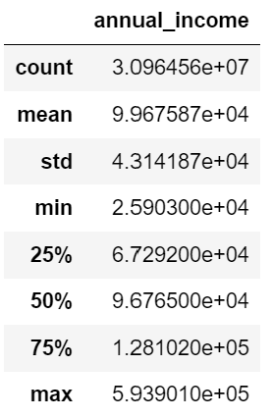
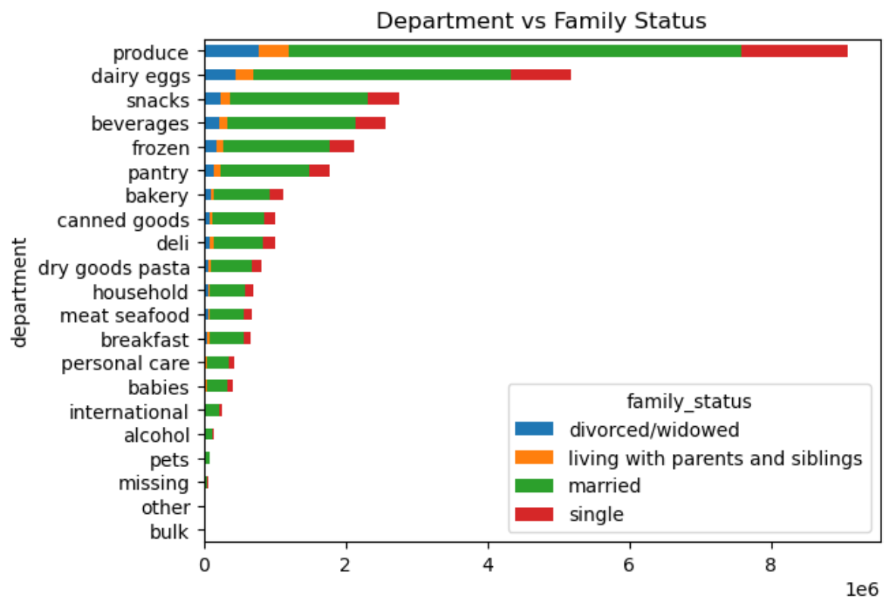
lower annual income: >= 25903 & <= 74999
mid annual income: >= 75000 & <= 119999
higher annual income: >= 120000

Key Question 8 What differences can you find in ordering habits of different customer profiles? (Consider the price of orders, the frequency of orders, the products customers are ordering, dow)

 | Customer Profile Age
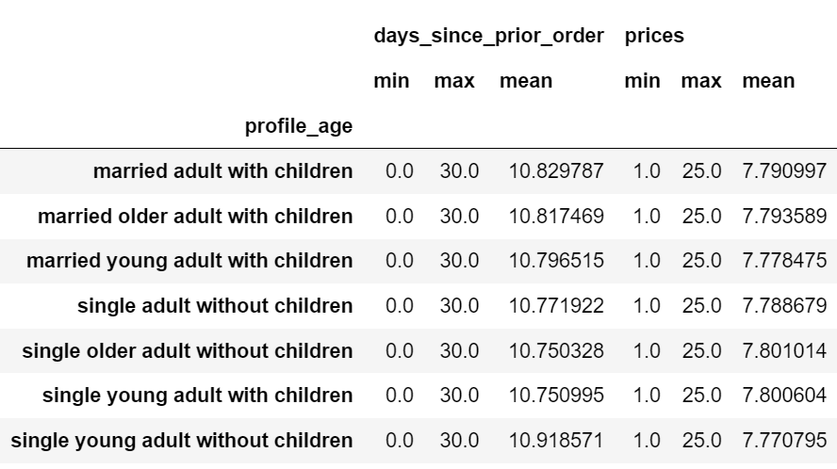
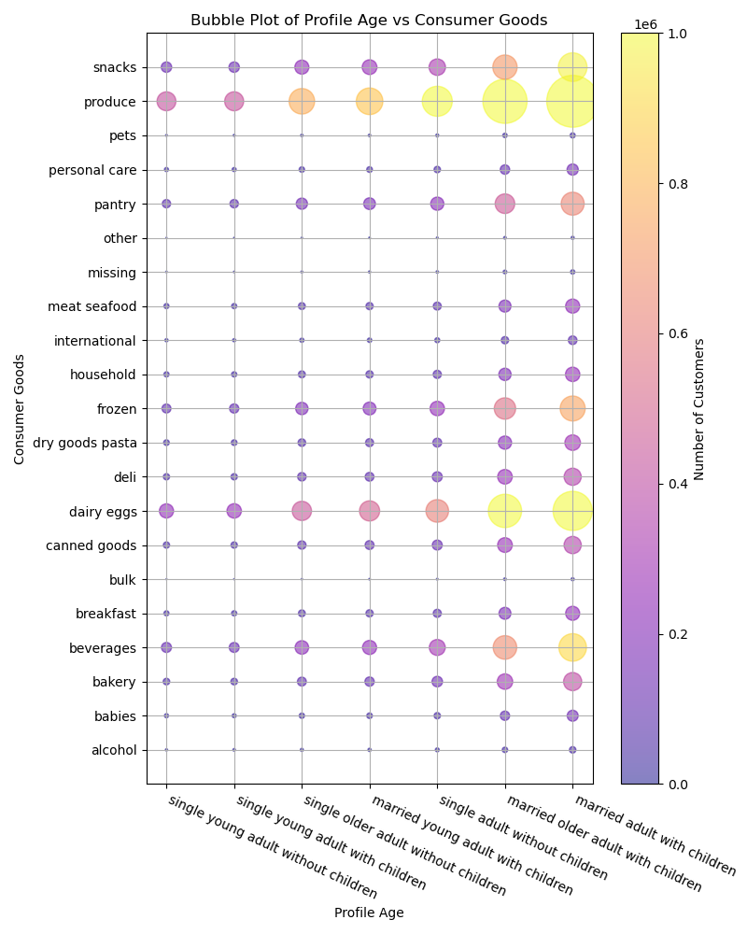
Profile Age devided by Region
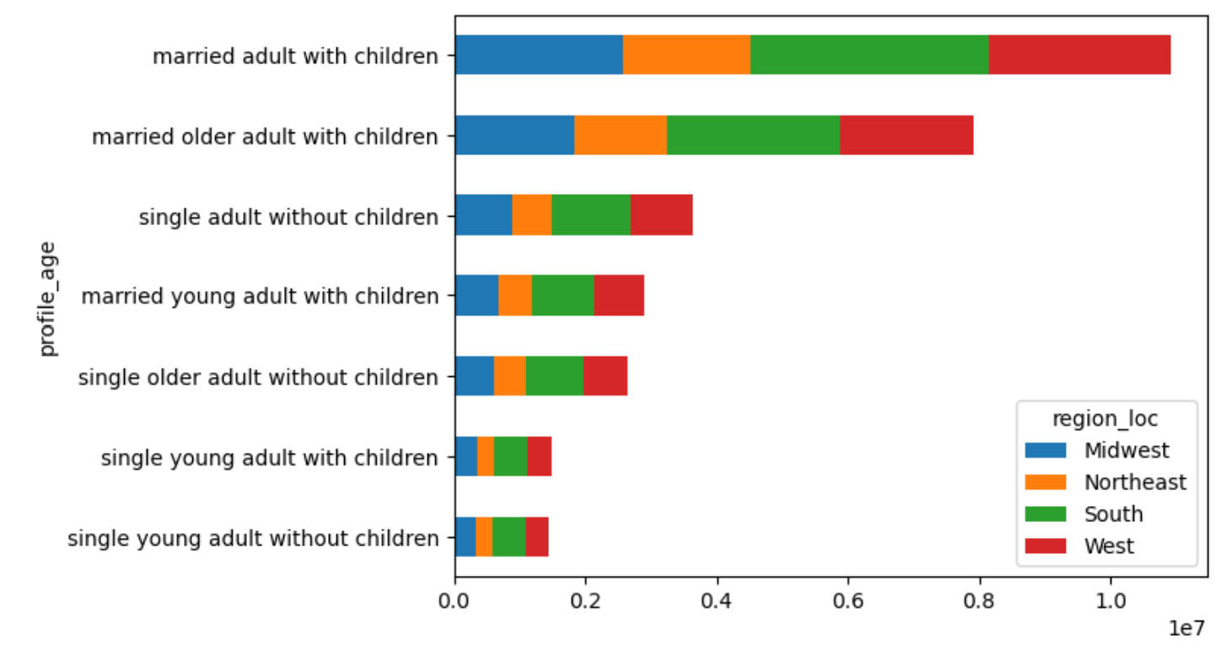

For every department, the 'married adult with children' is the biggest customer. Followed by 'married older adult with children and then interestingly the 'single adult without children'. The other categories of singles order the least.
Also here we see the same popular departments as with answering other key questions.
When looking at the regions, it becomes clear that all categories within the customer age profile are devided the same., with the South being the biggest region. This graph shows clearly that the profile 'married adult with children' is the biggest customer. Followed by 'married older adult with children'.
Also based on this profile we can see that Saturday is the most popular day to order, followed by Sunday.
Interestingly it is the 'single young adult with children' and the 'single older adult without children' that have the least average amount of days between two executive orders.
The average of price spent lays very close to each other.

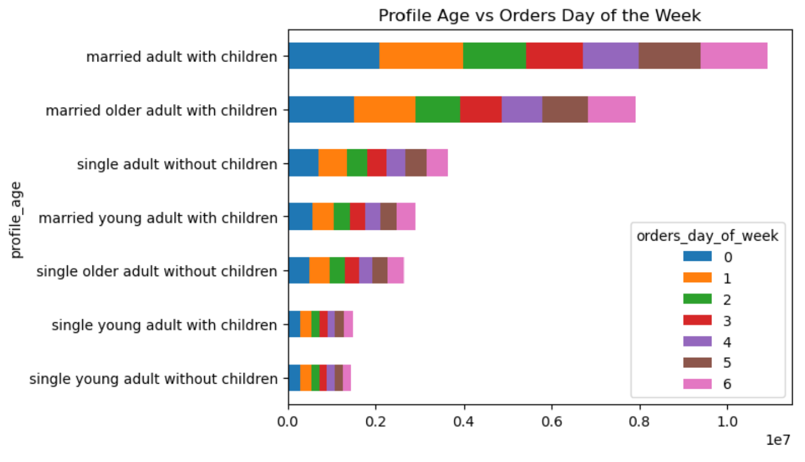

 | Customer Profile Income

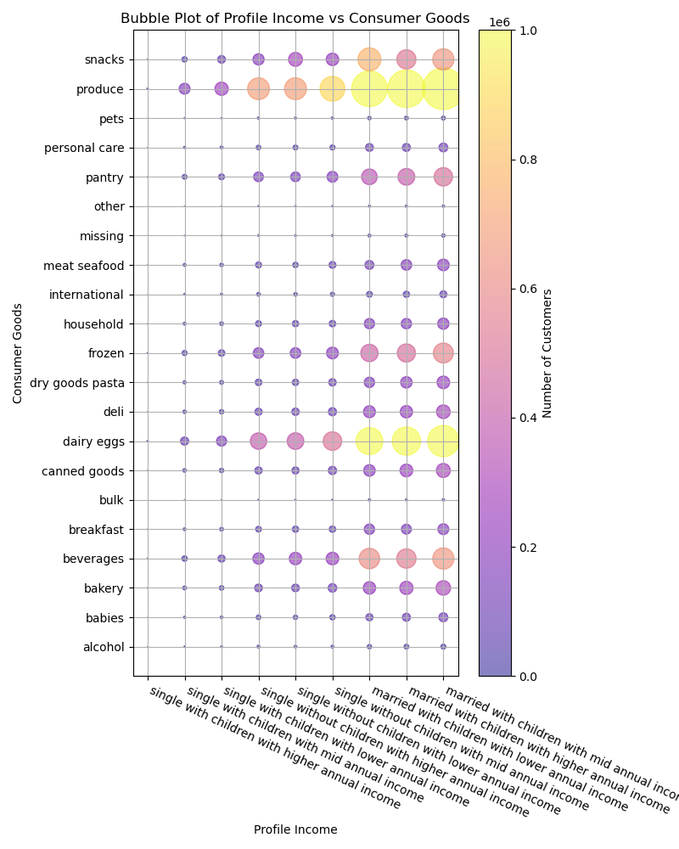
Profile Income devided by Region
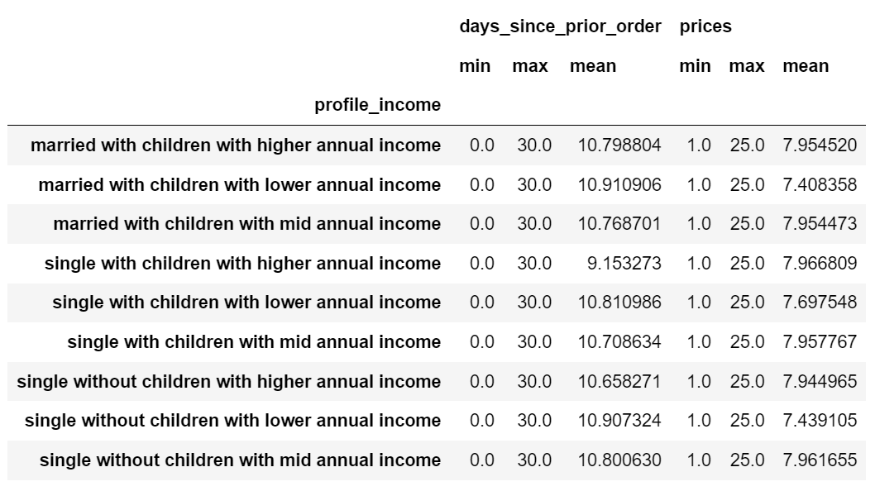

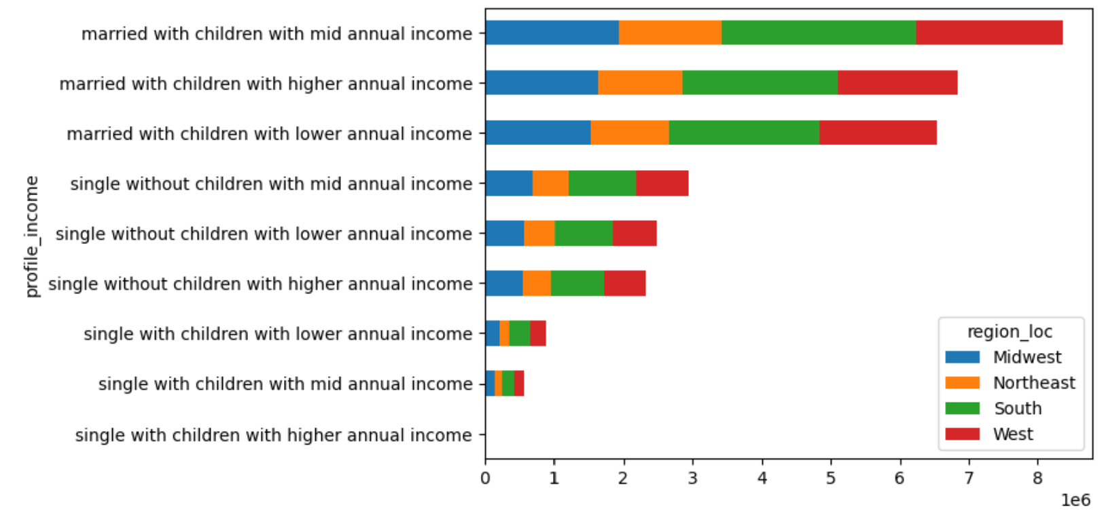

For every income catergory the married customers with children buys the most at every department, with the mid annual income being the highest. Followed by the singles without children and then the singles with children.
The income profile shows the same information on region and orders day of the week as the age profile. For this profile it is clear that the married customers with children with mid annual income are the biggest customers. Followed by higer annual income and lower annual income in that same category.
It is the 'single with children with higher annual income' (which is the smallest group) that have the least average amount of days between two executive orders.
Regarding the average price spent it becomes clear that customers with lower income spent less. For the categories with mid annual income and higher annual income the average price spent is almost the same.

7. Recommendations
Recommendations

Recommendation 1: when to increase ads

The most popular days for placing orders are Saturday, Sunday and Friday. The most poular hours are between 9am and 4pm.
I recommend scheduling more ads on Monday until Thursday, with most ads on Tuesday and Wednesday as these are the least popular days to place an order. The most interesting hours to increase the ads are the hours between 5pm and 10pm. I would not schedule more ads after 1-pm and during the night as the majority of the customers sleep during this time period.

Recommendation 2: simpler price range possibilities

As the amount of orders are a lot lower for products of $15,- and higher, I would recommend to use this as a seperate price range that you don't always have to use with the basic price range, for example clearly labeled as 'luxury and non food product $15,- and higher'. This way seperate analytics can be done. Which customers do buy these products? Which products are in this category and can specific ads at specific times be used to increase the orders in this price range?
The number of orders for prices until $15,- are quite balanced. Therefore you can make equal price ranges:
Low-range product 0 - 5
Mid-range product 5 - 10
High-range product 10 - 15
As a extra recommendation, I would avoid round prices. Tha data shows that a procucts priced at 12,49 have almost three times more orders than the ones priced at 12,5. This is a small difference in price but a really big difference in orders volume.

Recommendation 3: which customers to focus on

Instacart has a healthy amount of loyal custoemrs and enough new customers coming to the platform. To increase the amount of loyal customers you could consider starting a loyalty program by for example giving discounts when they introduce new customers.
When looking at the customer profile age, the customers spending the least are single young adults with and without children.
For the customer profile income the least spending customers are singles with children with lower annual income, mid annual income and higher annual income.
I would suggest to conduct research on these groups why they are less active on the platform. Outside of Instacart and looking at the demographics of te US, are these groups large possible target groups? Is it worth to consider a specific strategy to increase these customer profile groups?

